FLOW METER CALCULATION
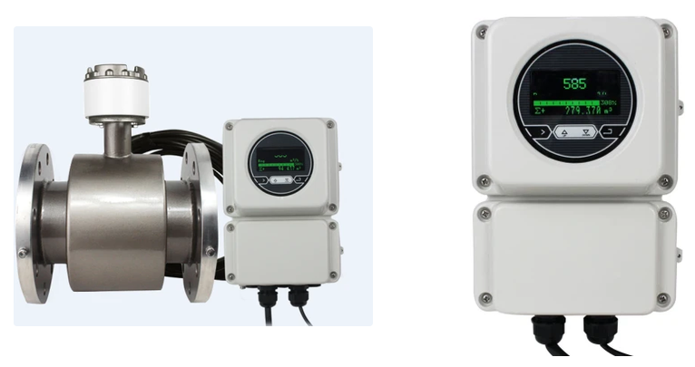
SHM Meters - Electromagnetic Separated / Remote
Type Remote/Separated Flange PN.16 dan ANSI (pilih) Power 220VAC dan 24VDC (pilih) Max working temp : 100C Lining : PTFE/Poly Urethane/Rubber Electrode : SS316L/Titanium/Tantalum/HC/Tungsten Carbide Communication Port : Pulser + 4-20mA + RS485 Modbus + HART Panjang kabel standar dari pabrik 5 meter (dapat di perpanjang hingga 300 Meter)
Warranty Product : 2 tahun Service and Parts (Sparepart tersedia ready stock) Kelengkapan unit : 1 unit Flowmeter + Manual Book + Test Report Pabrik
Ready Stock: DN10, DN15, Dn20, DN25, DN40, DN50, DN65, DN80, DN100, DN125, DN150, DN200, DN250, DN300, DN350, DN400, DN450, DN500
Status Equipment |  |  | Perbandingan Velocity per Diameter Pipe
Pipe nominal | = | 6" | Bore Meter | 36 m³/h | 72 m³/h
Measured OD | = | 168.7 mm | DN80 | 2.0 m/s | 4.0 m/s
Wall thickness | = | 6.7 mm | DN100 | 1.27 m/s | 2.55 m/s
Estimated Internal Diameter | = | 155.3 mm | DN125 | 0.82 m/s | 1.63 m/s
 |  |  | DN150 | 0.57 m/s | 1.13 m/s | <- Our line
1 Mill Flow | = | 36 m³/h
2 Mill design flow | = | 72 m³/h
Velocity 1 Mill | = | 0.53 m/s | Flow meter Specification
Velocity 2 Mill | = | 1.06 m/s | Electromagnetic
 |  |  | PU / Abrasion-resistant liner
Slurry SG | = | 1.1-1.3 | Slurry-compatible electrode
P80 | = | 75 µm | RS485 Modbus RTU
Bucket Test | = | 4x | 4-20 mA
% Solids | = | <20% | Local Display
 |  |  |  |  |  |  | Link SHM Meters - Electromagnetic Separated / Remote

Target Flow Meter Specification
Size | = | DN150 / 6"
Service | = | Gold ore slurry / Ball mill discharge
Type | = | Remote / Separated preferred

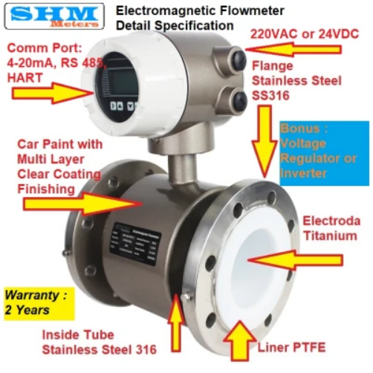
SHM Meters - Eletromagnetic Integrated
Type Integrated/Integral Flange PN.16 dan ANSI (pilih) Power 220VAC dan 24VDC (pilih) Max working temp : 100C Lining : PTFE/Poly Urethane/Rubber Electrode : SS316L/Titanium/Tantalum/HC/Tungsten Carbide Communication Port : Pulser + 4-20mA + RS485 Modbus + HART
Warranty Product : 2 tahun Service and Parts (Sparepart tersedia ready stock) Kelengkapan unit : 1 unit Flowmeter + Manual Book + Test Report Pabrik
Ready Stock: DN10, DN15, Dn20, DN25, DN40, DN50, DN65, DN80, DN100, DN125, DN150, DN200, DN250, DN300, DN350, DN400, DN450, DN500
Flow:
Flow Range | = | 36-72 m3/h
Normal | = | 36 m3/h (1 mill)
Maximum | = | 72 m3/h (2 mill)

Liner | = | Polyurethane / abrasion-resistant
Output | = | RS485 Modbus RTU + 4–20 mA + Pulse
Display | = | Local LCD
Install | = | Full bore, no reducer preferred
Electrode | = | Tungsten Carbide
Sensor | = | IP68 Preferred
Power | = | 24 VDC Preferred

PRELIMINARY / NOT FOR CONSTRUCTION
 |  |  |  |  |  |  | Link SHM Meters - Eletromagnetic Integrated

PERANCANGAN (CONCEPT & DESIGN)
Engineering Flow

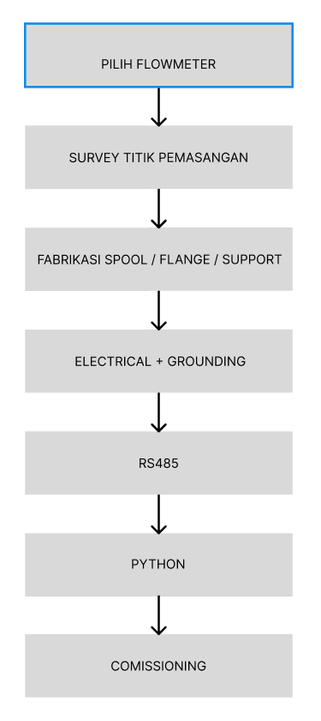
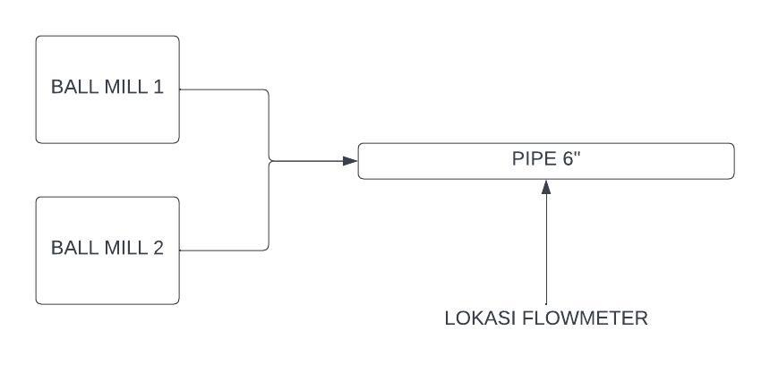
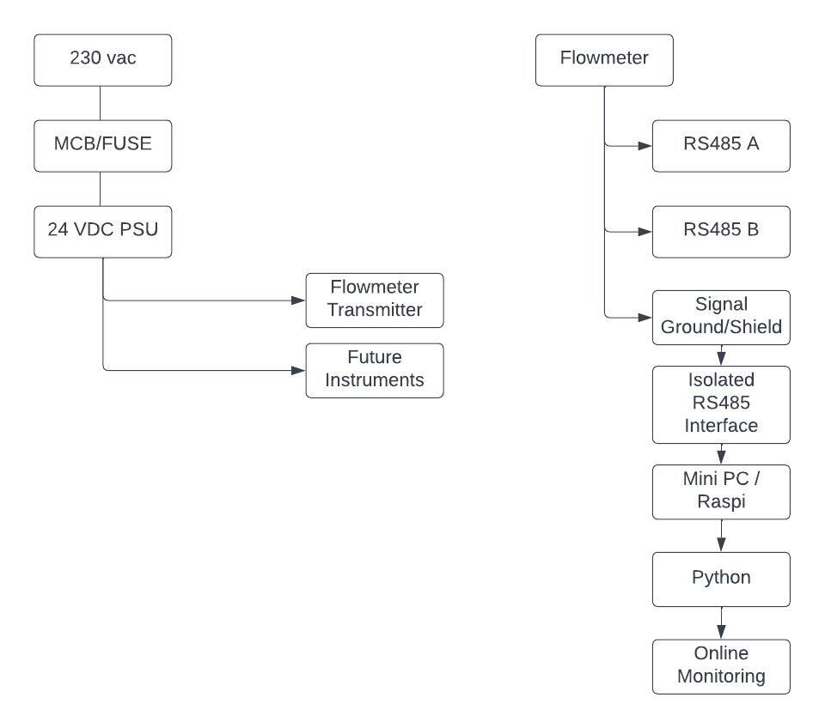

PIPING REQUIREMENT FOR INSTALLATION:
- FULL SLURRY
- TIDAK TEPAT SETEAH ELBOW / VALVE (buat ngindarin preassure drop / velocity drop)
- PUNYA STRAIGHT PIPE YANG CUKUP
- MUDAH DIBONGKAR (UNTUK MAINTENANCE)
- TIDAK MENJADI TITIK YANG GAMPANG MENGUMPULKAN UDARA (STRAIGHT LINE PREFERRED)

